Groups
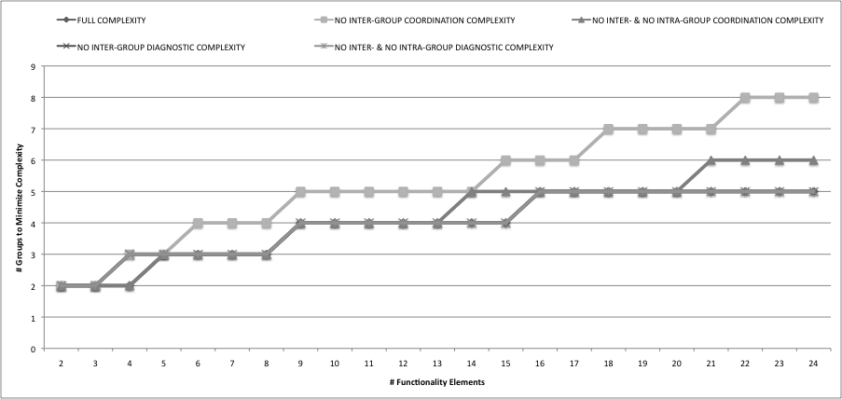
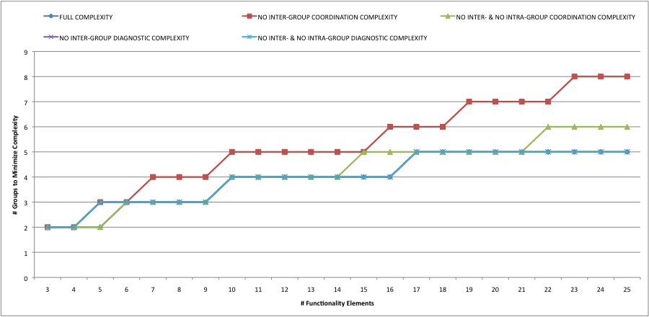
 | FULL COMPLEXITY | NO INTER-GROUP COORDINATION COMPLEXITY | NO INTER- & NO INTRA-GROUP COORDINATION COMPLEXITY | NO INTER-GROUP DIAGNOSTIC COMPLEXITY | NO INTER- & NO INTRA-GROUP DIAGNOSTIC COMPLEXITY
# Elements | # Groups for Minimum System Complexity | # Groups for Minimum System Complexity | # Groups for Minimum System Complexity | # Groups for Minimum System Complexity | # Groups for Minimum System Complexity
2 | 1 | 1 or 2 | 1 | 2 | 1 or 2
3 | 2 | 2 | 2 | 2 | 2
4 | 2 | 2 | 2 | 2 | 2
5 | 2 | 3 | 2 | 3 | 3
6 | 3 | 3 | 3 | 3 | 3
7 | 3 | 4 | 3 | 3 | 3
8 | 3 | 4 | 3 | 3 | 3
9 | 3 | 4 | 3 | 3 | 3
10 | 4 | 5 | 4 | 4 | 4
11 | 4 | 5 | 4 | 4 | 4
12 | 4 | 5 | 4 | 4 | 4
13 | 4 | 5 | 4 | 4 | 4
14 | 4 | 5 | 4 | 4 | 4
15 | 4 | 5 | 5 | 4 | 4
16 | 4 | 6 | 5 | 4 | 4
17 | 5 | 6 | 5 | 5 | 5
18 | 5 | 6 | 5 | 5 | 5
19 | 5 | 7 | 5 | 5 | 5
20 | 5 | 7 | 5 | 5 | 5
21 | 5 | 7 | 5 | 5 | 5
22 | 5 | 7 | 6 | 5 | 5
23 | 5 | 8 | 6 | 5 | 5
24 | 5 | 8 | 6 | 5 | 5
25 | 5 | 8 | 6 | 5 | 5
26 | 6
27 | 6
28 | 6
29 | 6
30 | 6
31 | 6
32 | 6
33 | 6
34 | 6
35 | 6
36 | 6
37 | 7

